Tab 1A - Statewide Graphics
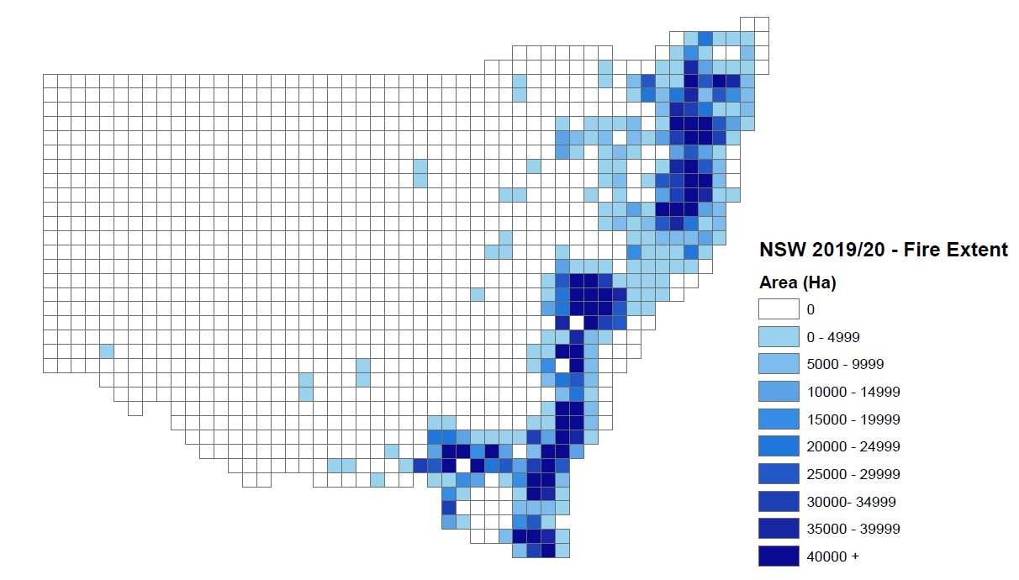
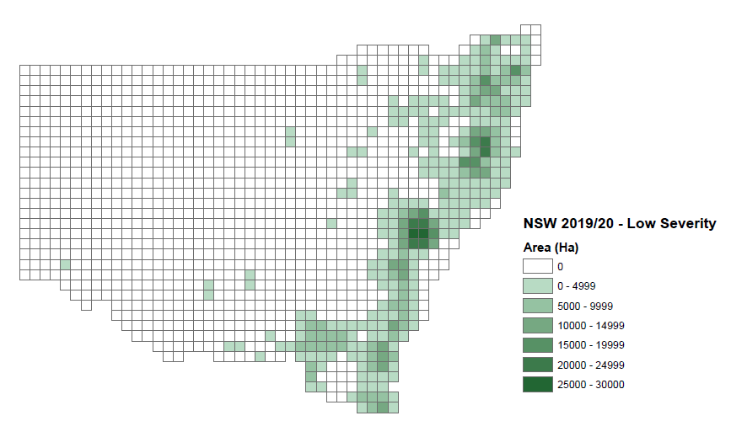
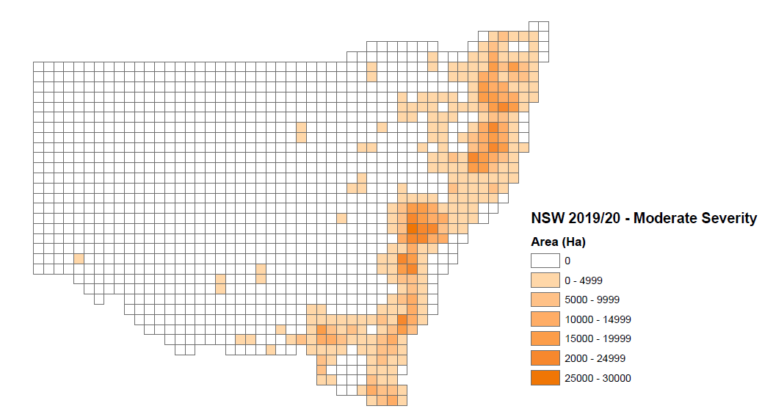
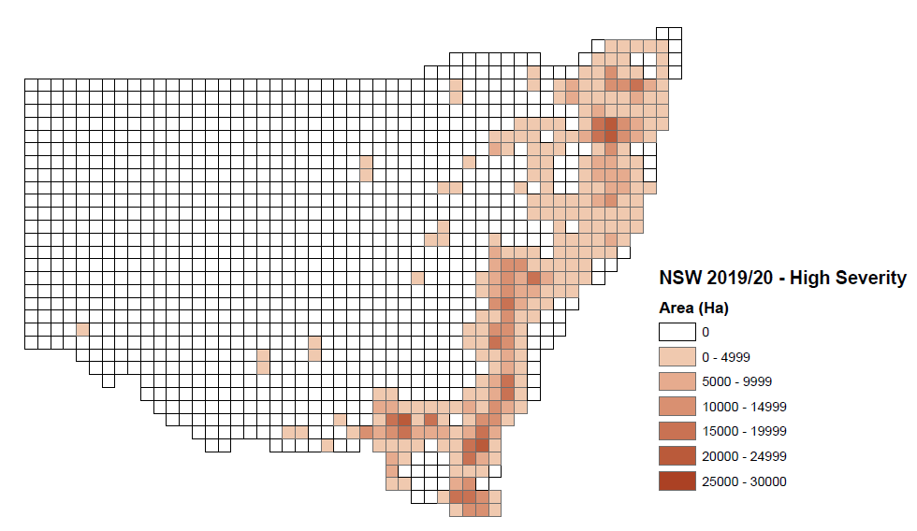
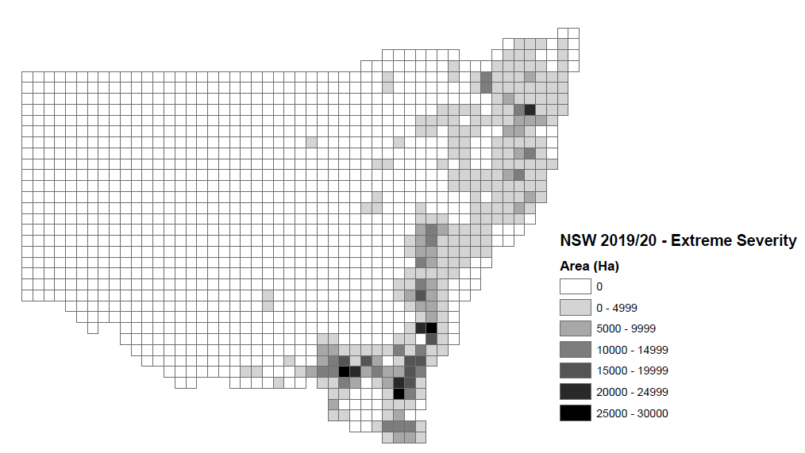
2019/20 NSW - Fire Extent and Severity
 | low moderate high extreme
low | 1165266.13
moderate | 1493292.25
high | 1162367.91
extreme | 992262.02

