Tab 1 - By Act
Tab 1: Vegetation loss by authorising Act (hectares)
Date | Act | Description | Non woody | Woody | Total
From Aug 2017 | Authorised-LLS Act | Clearing is associated with an authorisation under the Local Land Services Act 2013 (LLS Act) | 63 | 2,738 | 2,800
 | Authorised-NV Act | Clearing is associated with an authorisation under the Native Vegetation Act 2003 (NV Act) | 2,679 | 4,810 | 7,490
 | Authorised-Other Acts | Clearing associated with other Acts predominately Plantation and Reafforestation Act 1999 | - | 198 | 198
 | Unexplained | Other clearing detected that has not been associated with an authorisation | 2,717 | 9,078 | 11,795
 | Total |  | 5,459 | 16,824 | 22,284
2018 | Authorised-LLS Act | Clearing is associated with an authorisation under the LLS Act | 245 | 5,284 | 5,529
 | Authorised-NV Act | Clearing is associated with an authorisation under the NV Act | 4,158 | 11,569 | 15,727
 | Authorised-Other Acts | Clearing associated with other Acts predominately Plantation and Reafforestation Act 1999 | 10 | 258 | 268
 | Unexplained | Other clearing detected that has not been associated with an authorisation | 50,353 | 16,998 | 67,351
 | Total |  | 54,766 | 34,109 | 88,875
2019 | Authorised-LLS Act | Clearing is associated with an authorisation under the LLS Act | 1,918 | 6,740 | 8,658
 | Authorised-NV Act | Clearing is associated with an authorisation under the NV Act | 2,732 | 8,168 | 10,900
 | Authorised-Other Acts | Clearing associated with other Acts predominately Plantation and Reafforestation Act 1999 | - | 480 | 480
 | Unexplained | Other clearing detected that has not been associated with an authorisation | 41,693 | 13,904 | 55,597
 | Total |  | 46,344 | 29,292 | 75,636
Total | Authorised-LLS Act | Clearing is associated with an authorisation under the LLS Act | 2,226 | 14,762 | 16,988
 | Authorised-NV Act | Clearing is associated with an authorisation under the NV Act | 9,570 | 24,547 | 34,117
 | Authorised-Other Acts | Clearing associated with other Acts predominately Plantation and Reafforestation Act 1999 | 10 | 935 | 945
 | Unexplained | Other clearing detected that has not been associated with an authorisation | 94,763 | 39,981 | 134,744
 | Total |  | 106,569 | 80,226 | 186,795
Notes: | Non woody figures updated to include clearing that occurred in 2018, which was mapped in the 2019 analysis
 | All figures are in hectares unless otherwise specified.
 | Written totals may differ to summed totals due to rounding.

 | Vegetation loss on rural regulated land by authorising Act
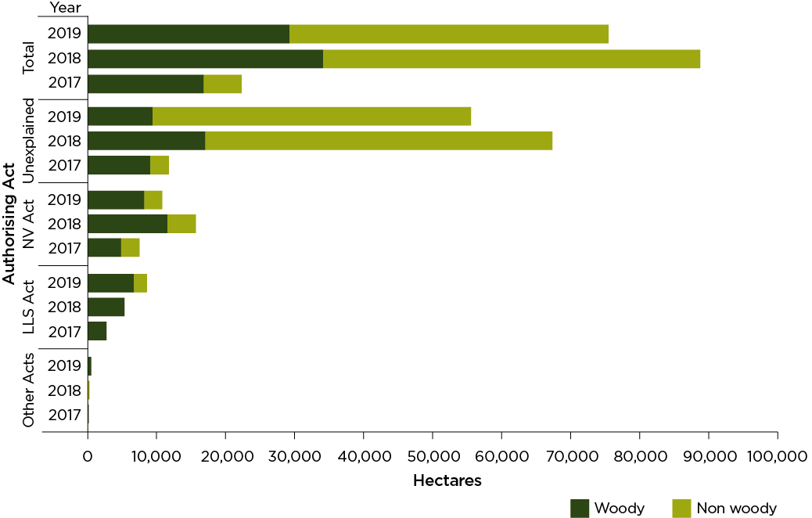

Table of contents

Tab 2 - By NVR Map Category
Tab 2 - Vegetation loss by Native Vegetation Regulatory (NVR) Map category (hectares)
date | NVR Map category | Non woody | Woody | Category total
From Aug 2017 | Category 2 Vulnerable and sensitive | 1 | 24 | 25
 | Category 2 Sensitive | 88 | 332 | 420
 | Category 2 Vulnerable | 165 | 501 | 666
 | Category 2 Regulated | 5,205 | 15,967 | 21,172
 | Category 1 Exempt | See note | 3,423 | 3,423
 | Total | 5,459 | 20,247 | 25,706
2018 | Category 2 Vulnerable and sensitive | 8 | 52 | 60
 | Category 2 Sensitive | 131 | 528 | 659
 | Category 2 Vulnerable | 300 | 821 | 1,121
 | Category 2 Regulated | 54,328 | 32,707 | 87,035
 | Category 1 Exempt | - | 6,897 | 6,897
 | Total | 54,766 | 41,006 | 95,772
2019 | Category 2 Vulnerable and sensitive | - | 87 | 88
 | Category 2 Sensitive | 41 | 667 | 708
 | Category 2 Vulnerable | 469 | 1,016 | 1,484
 | Category 2 Regulated | 45,834 | 27,522 | 73,357
 | Category 1 Exempt | - | 9,099 | 9,099
 | Total | 46,344 | 38,392 | 84,736
Cumulative total since Local Land Services Act 2013, Part 5A commenced | Prescribed - Both Vulnerable and sensitive | 9 | 163 | 172
 | Prescribed - Sensitive | 260 | 1,528 | 1,787
 | Prescribed - Vulnerable | 933 | 2,338 | 3,271
 | Regulated | 105,368 | 76,196 | 181,564
 | Unregulated | - | 19,419 | 19,419
 | Total | 106,569 | 99,645 | 206,214
Notes: | Non woody clearing is only detected and mapped on regulated land.
 | Non woody figures updated to include vegetation loss that occurred in 2018, which was mapped in the 2019 analysis
 | All figures are in hectares unless otherwise specified.
 | Written totals may differ to the summed total due to rounding.

 | Vegetation loss on rural regulated land by Native Vegetation Regulatory map category
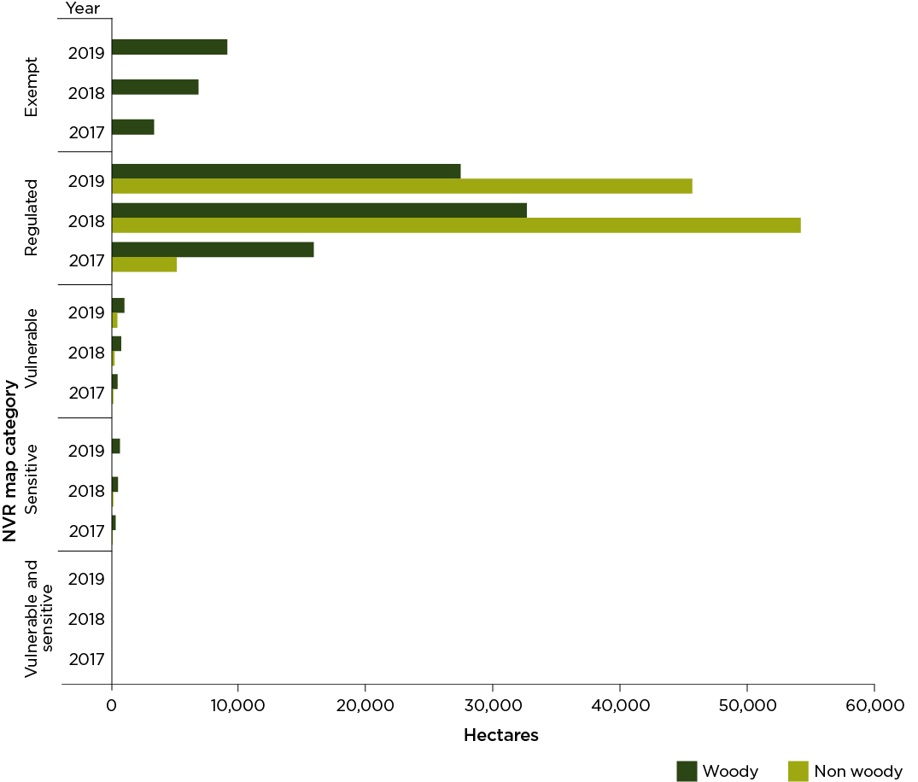

Table of contents

Tab 3 - By NV Act 2003
Tab 3 - Vegetation loss by Native Vegetation Act 2003 (NV Act; hectares)
Act | Label | Description | From Aug 2017 | 2018 | 2019 | Total
Authorised-NV Act | Invasive native species (INS) Ministerial order (MO) | Routine agricultural management activity for the management invasive native species under ministerial order | 2,425 | 4,378 | 1,452 | 8,256
 | PVP clause 20 | Clearing for conservation or long term environmental benefit under clause 20 in accordance with a property vegetation plan | - | 5 | - | 5
 | PVP INS | Management of invasive native species that improves or maintains environmental outcomes under a property vegetation plan | 4,787 | 10,293 | 8,686 | 23,766
 | PVP clearing | Broadscale clearing that improved or maintained environmental outcomes under a property vegetation plan | 182 | 511 | 535 | 1,227
 | PVP continuing use | Clearing of regrowth authorised under a property vegetation plan | 28 | 243 | 12 | 283
 | PVP thinning | Ecological thinning of vegetation that improves or maintains environmental outcomes under a property vegetation plan | 18 | 37 | 14 | 68
 | Paddock trees MO | Routine Agricultural Management Activity for the clearing of paddock trees under ministerial order | 32 | 248 | 194 | 475
 | Thinning MO | Routine Agricultural Management Activity for the ecological thinning of vegetation under ministerial order | 18 | 13 | 7 | 38
 | Total |  | 7,490 | 15,727 | 10,900 | 34,117
Notes: | Non woody figures updated to include vegetation loss that occurred in 2018, which was mapped in the 2019 analysis
 | Written totals may differ to the summed total due to rounding.

 | Area of rural regulated land cleared under Native Vegetation Act 2003 authorisation.
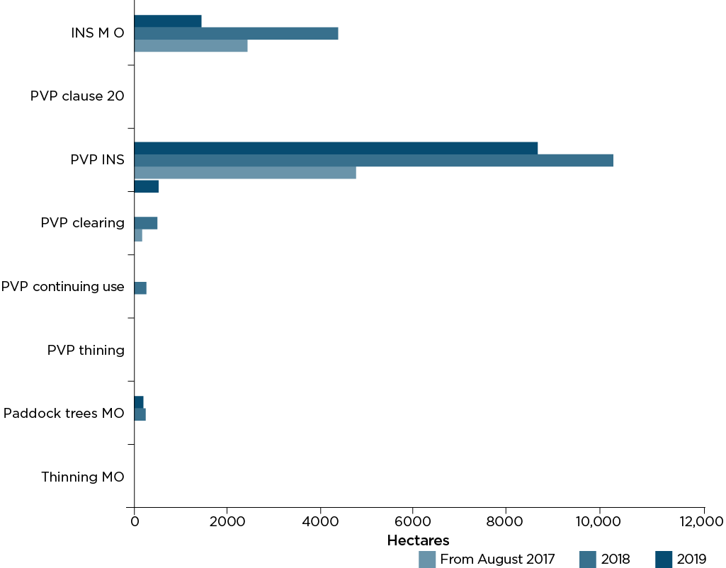

Table of contents

Tab 4 - By LLS Act 2013
Tab 4: Vegetation loss by Local Land Services Act 2013 (hectares)
Act | Label | Description | From Aug 2017 | 2018 | 2019 | Total
Authorised-LLS Act | Part 2:1 | Native Vegetation Code Part 2 Division 1 - Invasive Native Species - Low impact clearing of invasive native species | 55 | 786 | 477 | 1,318
 | Part 2:2 | Native Vegetation Code Part 2 Division 2 - Invasive Native Species - Moderate impact clearing of invasive native species | 1,963 | 2,915 | 3,152 | 8,029
 | Part 3:1 | Native Vegetation Code Part 3 Division 1 - Pasture Expansion - Uniform thinning of woody native vegetation (notification) | - | 15 | 10 | 25
 | Part 3:2 | Native Vegetation Code Part 3 Division 2 - Pasture Expansion - Uniform thinning of woody native vegetation (certification) | 7 | 70 | 92 | 170
 | Part 3:3 | Native Vegetation Code Part 3 Division 3 - Pasture Expansion - Mosaic thinning of woody native vegetation | 15 | 253 | 695 | 963
 | Part 4:1 | Native Vegetation Code Part 4 Division 1 - Continuing Use - Managing woody native regrowth in managed native pastures | - | - | 4 | 5
 | Part 4.2 | Native Vegetation Code Part 4 Division 2 - Continuing Use - Continuation of land management activities undertaken after 1990 | - | - | - | -
 | Part 4.3 | Native Vegetation Code Part 4 Division 3 - Continuing Use - Continuation of rotational activity undertaken prior to 1990 | 3 | 30 | 79 | 112
 | Part 5.1 | Native Vegetation Code Part 5 Division 1 - Equity - Removing native vegetation from paddock tree areas | 2 | 16 | 20 | 37
 | Part 5.2 | Native Vegetation Code Part 5 Division 2 - Equity - Clearing compromised native groundcover | - | 4 | 851 | 855
 | Part 5.3 | Native Vegetation Code Part 5 Division 3 - Equity - Removing native vegetation from small areas | 1 | 21 | 88 | 110
 | Part 5.4 | Native Vegetation Code Part 5 Division 4 - Equity - Removing native vegetation from regulated rural areas | 7 | 269 | 2,260 | 2,537
 | Part 6.1 | Native Vegetation Code Part 6 Division 1 - Farm Plan-Removing native vegetation from paddock tree areas | - | 2 | 1 | 4
 | Part 6.2 | Native Vegetation Code Part 6 Division 2 - Farm Plan-Removing native vegetation from regulated rural areas | - | - | 4 | 4
 | Private native forestry plan | Private native forestry plans | 747 | 1,147 | 926 | 2,820
 | Total |  | 2,800 | 5,529 | 8,658 | 16,988
Notes: | non woody figures updated to include vegetation loss that occurred in 2018, which was mapped in the 2019 analysis
 | Written totals may differ to the summed total due to rounding.

 | Vegetation loss on rural regulated land authorised by the Land Management (Native Vegetation) Code 2018

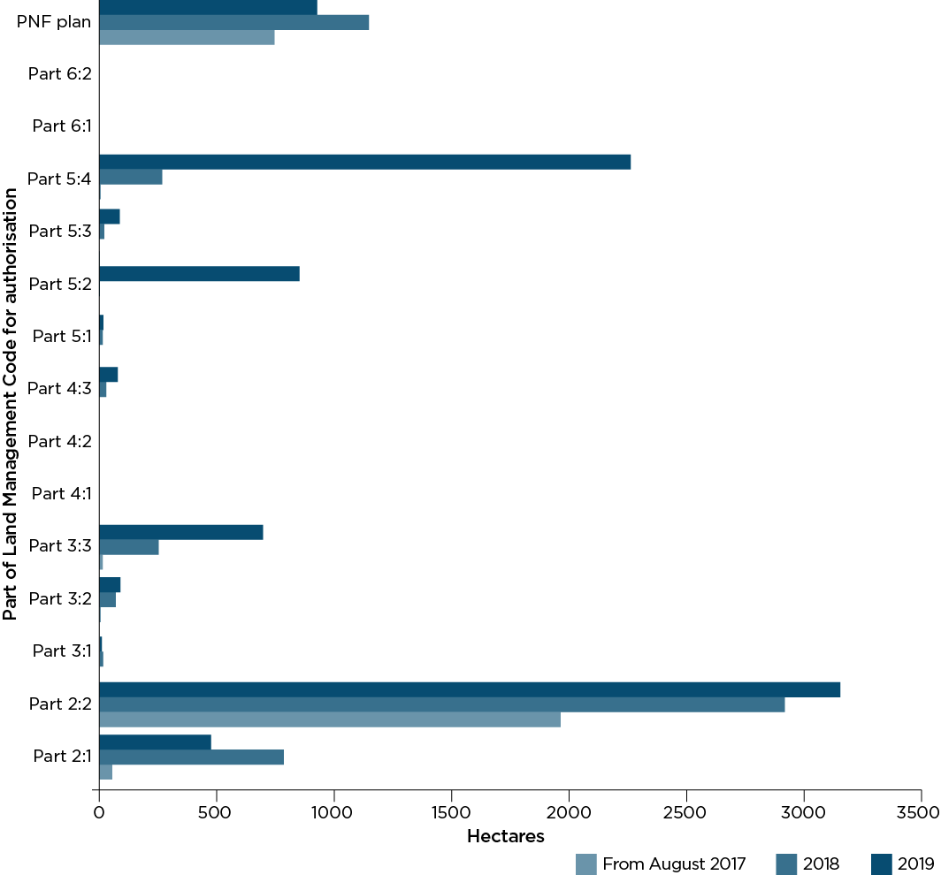

Table of contents

Tab 5 - By LLS region
Tab 5 - Vegetation loss of Regulated Rural Land by Authorising Act and Local Land Services Region (hectares)
 | Description
LLS Act | Clearing is associated with an authorisation under the Local Land Services Act 2013 (LLS Act)
NV Act | Clearing is associated with an authorisation under the Native Vegetation Act 2003 (NV Act)
Other Acts | Clearing associated with other Acts predominately Plantation and Reafforestation Act 1999
Unexplained | Other clearing detected that has not been associated with an authorisation
Notes: | Non woody figures updated to include vegetation loss that occurred in 2018, which was mapped in the 2019 analysis
 | Written totals may differ to the summed total due to rounding.

Central Tablelands LLS Region
Region | Label | From Aug 2017 | 2018 | 2019 | Total
Central Tablelands | Authorised-LLS Act | 9 | 81 | 226 | 316
 | Authorised-NV Act | 14 | 10 | 15 | 40
 | Authorised-Other Acts | 16 | 56 | 115 | 187
 | Unexplained | 445 | 1,470 | 1,251 | 3,166

Central West LLS Region
Region | Label | From Aug 2017 | 2018 | 2019 | Total
Central West | Authorised-LLS Act | 1,928 | 2,976 | 2,668 | 7572
 | Authorised-NV Act | 2,381 | 6,801 | 3,334 | 12516
 | Authorised-Other Acts | - | - | - | 1
 | Unexplained | 2,270 | 17,394 | 15,989 | 35653

Greater Sydney LLS Region
Region | Label | From Aug 2017 | 2018 | 2019 | Total
Greater Sydney | Authorised-LLS Act | - | 13 | 1 | 13
 | Authorised-NV Act | - | - | - | 0
 | Authorised-Other Acts | - | - | - | 0
 | Unexplained | 37 | 71 | 52 | 159

Hunter LLS Region
Region | Label | From Aug 2017 | 2018 | 2019 | Total
Hunter | Authorised-LLS Act | 144 | 155 | 128 | 427
 | Authorised-NV Act | 3 | - | - | 3
 | Authorised-Other Acts | 21 | 11 | 22 | 53
 | Unexplained | 515 | 1,991 | 1,227 | 3,733

Murray LLS Region
Region | Label | From Aug 2017 | 2018 | 2019 | Total
Murray | Authorised-LLS Act | 14 | 80 | 89 | 183
 | Authorised-NV Act | 12 | 130 | 14 | 156
 | Authorised-Other Acts | 20 | 63 | 119 | 202
 | Unexplained | 164 | 2,309 | 2,215 | 4,688

North Coast LLS Region
Region | Label | From Aug 2017 | 2018 | 2019 | Total
North Coast | Authorised-LLS Act | 365 | 542 | 542 | 1448
 | Authorised-NV Act | - | - | - | 0
 | Authorised-Other Acts | 20 | 59 | 123 | 202
 | Unexplained | 443 | 882 | 1,226 | 2,552

North West LLS Region
Region | Label | From Aug 2017 | 2018 | 2019 | Total
North West | Authorised-LLS Act | 26 | 391 | 1,344 | 1761
 | Authorised-NV Act | 1,701 | 596 | 769 | 3066
 | Authorised-Other Acts | - | - | - | 1
 | Unexplained | 3,666 | 28,207 | 22,317 | 54190

Northern Tablelands LLS Region
Region | Label | From Aug 2017 | 2018 | 2019 | Total
Northern Tablelands | Authorised-LLS Act | 196 | 650 | 481 | 1327
 | Authorised-NV Act | 17 | 75 | 42 | 134
 | Authorised-Other Acts | 1 | 13 | 13 | 28
 | Unexplained | 1,414 | 5,668 | 2,743 | 9,826

Riverina LLS Region
Region | Label | From Aug 2017 | 2018 | 2019 | Total
Riverina | Authorised-LLS Act | 20 | 79 | 102 | 201
 | Authorised-NV Act | 26 | 236 | 26 | 288
 | Authorised-Other Acts | 6 | 39 | 43 | 88
 | Unexplained | 472 | 2,356 | 2,586 | 5,415

South East LLS Region
Region | Label | From Aug 2017 | 2018 | 2019 | Total
South East | Authorised-LLS Act | 12 | 42 | 70 | 125
 | Authorised-NV Act | - | - | 3 | 3
 | Authorised-Other Acts | 113 | 25 | 45 | 183
 | Unexplained | 476 | 2,818 | 1,947 | 5,242

Western LLS Region
Region | Label | From Aug 2017 | 2018 | 2019 | Total
Western | Authorised-LLS Act | 87 | 520 | 3,008 | 3614
 | Authorised-NV Act | 3,337 | 7,878 | 6,696 | 17911
 | Authorised-Other Acts | - | - | - | 1
 | Unexplained | 1,893 | 4,185 | 4,044 | 10122

Totals | Label | From Aug 2017 | 2018 | 2019 | Total
 | Authorised-LLS Act | 2,800 | 5,529 | 8,658 | 16988
 | Authorised-NV Act | 7,490 | 15,727 | 10,900 | 34117
 | Authorised-Other Acts | 198 | 268 | 480 | 946.00
 | Unexplained | 11,795 | 67,351 | 55,597 | 134,744.00
 | Total | 22,284 | 88,875 | 75,636 | 186795

Table of contents

Tab 6 - By landcover class
Tab 6: Vegetation loss by landcover class (hectares)
Date | Landcover class | Non woody | Woody | Class total
From August 2017 | Agriculture | 5,399 | 11,714 | 17,113
 | Forestry | 7 | 2,257 | 2,264
 | Infrastructure | 53 | 2,854 | 2,907
 | Total | 5,459 | 16,824 | 22,284
2018 | Agriculture | 53,500 | 25,891 | 79,391
 | Forestry | 23 | 1,868 | 1,891
 | Infrastructure | 1,244 | 6,349 | 7,593
 | Total | 54,766 | 34,109 | 88,875
2019 | Agriculture | 45,323 | 21,412 | 66,735
 | Forestry | 26 | 2,364 | 2,391
 | Infrastructure | 994 | 5,516 | 6,510
 | Total | 46,344 | 29,292 | 75,636
Total | Agriculture | 104,222 | 59,017 | 163,239
 | Forestry | 56 | 6,489 | 6,546
 | Infrastructure | 2,291 | 14,719 | 17,010
 | Total | 106,569 | 80,226 | 186,795
Notes: | Non woody figures updated to include vegetation loss that occurred in 2018, which was mapped in the 2019 analysis

 | Written totals may differ to the summed total due to rounding.

Vegetation loss by landcover class

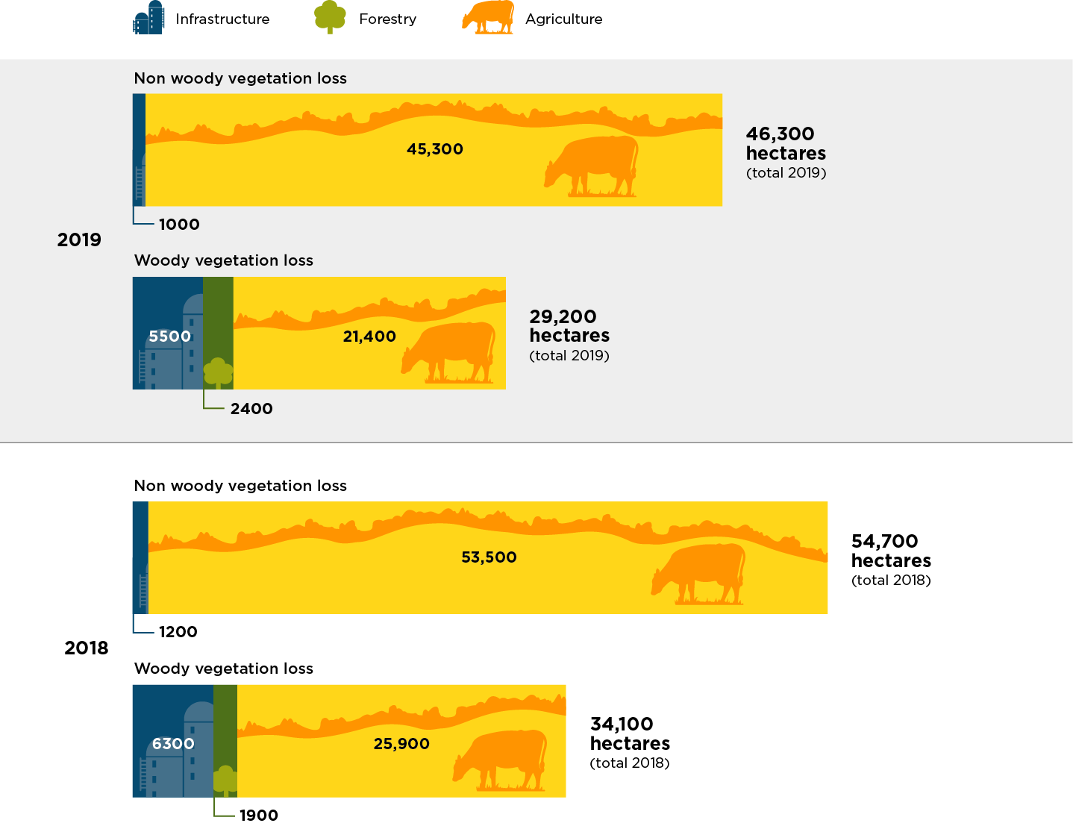

Table of contents

