Read Me
 |  |  |  |  | Read Me |  | Version: 2 | Last updated: 24.06.2022

Purpose:
The next tab of this spreadsheet contains a refreshable Power Query that has been pre-configured to allow you to obtain the most up-to-date Threatened Populations-Plant Community Type (PCT) association data from BioNet via the BioNet OData Web Service. It can be used to look up Threatened Populations and determine the associated PCTs, or vice versa. It can also be used to filter PCTs based on Vegetation Formation and Class, IBRA Sub-region etc. PCT-Threatened biodiversity data is required to undertake and complete Biodiversity Assessment Method (BAM) assessments.

Follow these links for more information:
 | Plant Community Types
 | Threatened populations
 | BAM Calculator

Recommendations:
1. Download and save the file
2. Click on 'Enable Content'

3. Refresh the data each time you open the file to download the latest data from BioNet. To do this:
a) Ensure you have an internet connection
b) Click on the 'Thr Populations-PCT Data PQ' tab
c) Go to the 'Data' menu then click the 'Refresh All' symbol. Wait for the refresh query to complete. This may take a few minutes.
d) Save

4. Within the 'Thr Populations-PCT Data PQ' spreadsheet is a pop-up search window for threatened population vernacular name. You can select and filter one or more entities to obtain a list of PCTs that match the criteria selected. How to use the 'vernacularName' search windows:

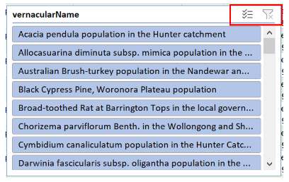
a) if no items are selected to filter on, then all Threatened Species-PCT data will be visible
b) to filter on one or many items in each search window, press CTRL, or use the ticks and line symbol:
c) to clear the current selection, click on the ‘x’ filter symbol in the top right-hand corner:

 | NOTE: these Threatened Species-PCT associations are DPE guidelines only which indicate potential associations. They are not intended to represent a comprehensive list of Threatened Species-PCT associations. In addition to these DPE Guidelines, assessment of the vegetation present on a site directly against the Final Determination is required (independent of PCTs) as there are attributes referenced in those determinations which can only be resolved with site assessments. As always, confirmation of the presence of a Threatened Species, as well as of a PCT, requires detailed on-site inspection by qualified assessors.

5. How to use the drop-down filters to search for IBRA subregions, Vegetation Classes etc.:
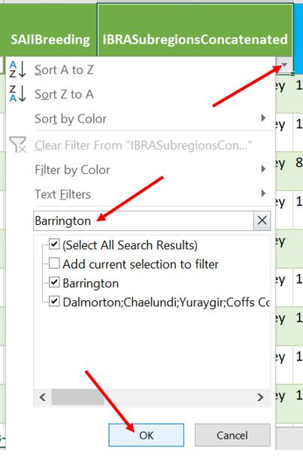

 |  |  |  | a) select the drop-down filter arrow on the field you wish to use as a filter.
 |  |  |  |  | NOTE: for IBRA SR search, use 'IBRASubregionsConcatenated' field.
 |  |  |  | b) type in part or all of the filter term to be used
 |  |  |  | c) all options containing this filter term will show, with tick-boxes checked. These can be un-checked if desired.
 |  |  |  | d) when finished, click 'OK'.

Field names:
All field names are consistent with the BioNet Web Service Data standards:
 | BioNet Threatened Biodiversity Web Service Data Standard
 | BioNet Vegetation Classification Web Service Data Standard
except the field 'IBRASubregionsConcatenated', which is a grouped field used to reduce the number of data rows returned by the power query.

Notes:
1. The refreshable spreadsheet comprises all Approved and Decommissioned PCTs for NSW. |  |  |  |  |  | Decommissioned PCTs are highlighted orange.
2. It also includes all Threatened Populations listed at the State level (under the Biodiversity Conservation Act 2016) and Commonwealth level (under the Environment Protection and Biodiversity Conservation Act (EPBC Act) 1999).

3. Note that PCT data changes are likely to be infrequent, and most will likely comprise minor error corrections. Major PCT classification revisions are very infrequent. Threatened Population-PCT association updates will be far more frequent.

4. All BioNet data is owned or managed by the Department of Planning, Industry and Environment (DPIE) and is protected by Crown Copyright, unless credited otherwise. It is licensed under the Creative Commons Attribution 4.0 International (CC BY 4.0*), subject to the exemptions contained in the licence.

Legal code for the licence is available at: |  |  | Creative Commons
5. The following three fields are included in the accompanying spreadsheet:
a) dcterms_rightsHolder = The person or organisation owning or managing rights over the resource.
b) dcterms_rights = Information about rights held in and over the resource. Typically, rights information includes a statement about various property rights associated with the resource.
c) dcterms_bibliographicCitation = Citation information for the resource.

Help:
For more information about BioNet Web Services, refer to:
 | BioNet Web Services homepage
 | Power Query quick guide

NOTE FOR MAC USERS:
MS Excel does not currently support Power Query for Mac computers. However, Microsoft Excel is not the only tool that can be used to query the BioNet Web Services. Data can be accessed via other methods such as:

 | FME
 | web via a URL command
 | SQL Server
 | etc.

For support email: |  | BioNet team

 | Department of Planning and Environment
 | 4 Parramatta Square
 | 12 Darcy Street, Parramatta NSW 2150
 | Email: | bionet@environment.nsw.gov.au
 | Website: | NSW BioNet

