Results
CBA Model

Results

Project Name | NAME
Project Manager | NAME
Model Version | Version 1
Date | ENTER DATE

Incremental Present Value Outcome | Net Present Value Outcome (7%) | BCR | IRR | Net Present Value Outcome (4%) | Net Present Value Outcome (10%)

Scenario 1 incremental to Base Case | $0 | #DIV/0! | #NUM! | $0 | $0

 | Total | Present value (base discount rate)
Incremental diversion | - | -

Incremental Diversion
2016-17 | -
2017-18 | -
2018-19 | -
2019-20 | -
2020-21 | -
2021-22 | -
2022-23 | -
2023-24 | -
2024-25 | -
2025-26 | -
2026-27 | -
2027-28 | -
2028-29 | -
2029-30 | -
2030-31 | -
2031-32 | -
2032-33 | -
2033-34 | -
2034-35 | -
2035-36 | -
2036-37 | -
2037-38 | -
2038-39 | -
2039-40 | -
2040-41 | -
2041-42 | -
2042-43 | -
2043-44 | -
2044-45 | -
2045-46 | -
2046-47 | -

Sheet 7_Non-Market Values
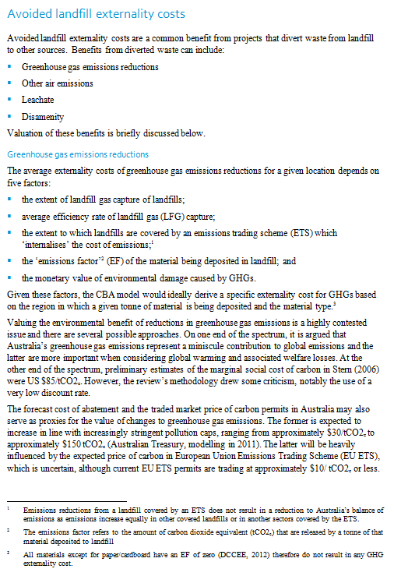 | 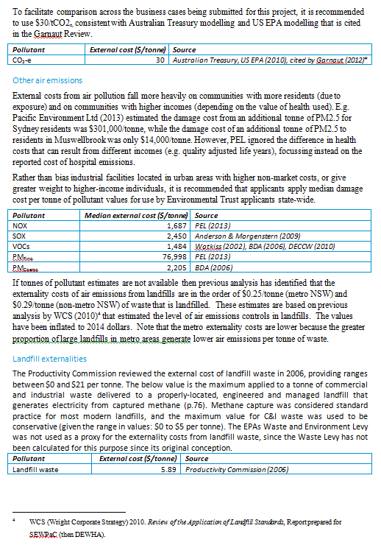 | Notes when completing the analysis (1) Applicants should consider (and quantify where possible) all the impacts of their project, irrespective of who they accrue to. E.g. if the project would increase (or decrease) the applicants use of diesel fuels by a large amount, this will impact the air quality of on surrounding communities. Air pollution can be quantified in dollar-terms.

